接缝技术
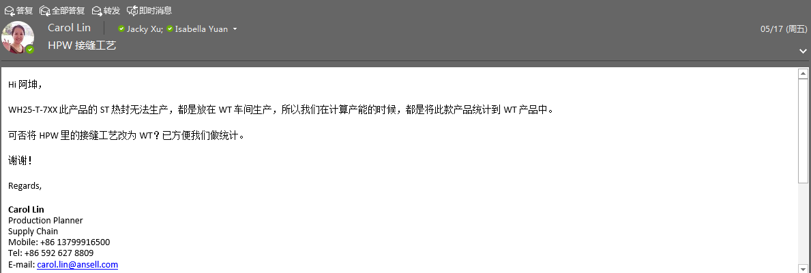
代码 | 描述1
S | 拷边
ST | 拷边+热封
B | 滚条
W | 超声波
WT | 超声波+热封 | 应计划要求，WH25-TXXX-7XX定义为WT车间
P | 采购/其它

库位MXL
MXL Locations and Bin Codes |  |  | See A/B/C/D layout on page 2 | Updated on: | 03/07/2012
Location | Bin Code | Department | Description | Victor's Comment | Physical Location
MAIN | RM1A | Supply Chain | Purchased Raw Material warehouse | Mainly fabric | 1A
MAIN | RM1B | Supply Chain | Purchased Raw Material warehouse | Mainly MLD and fabrics stored outside MLD | 1B
MAIN | RM2B | Supply Chain | Purchased Raw Material warehouse | Temporary. Mainly for fabric and accessories. | 2B
MAIN | RM2C | Supply Chain | Purchased Raw Material warehouse | Mainly Accessories | Next to passenger lift of F2
MAIN | RM2D | Supply Chain | Purchased Raw Material warehouse | Now used as Scrap warehouse | Next to 2B
MAIN | RM3C | Supply Chain | Purchased Raw Material warehouse | Mainly Accessories | Next to passenger lift of F3
MAIN | RM3D | Supply Chain | Purchased Raw Material warehouse | Mainly Accessories | Next to 3B
MAIN | RM4D | Supply Chain | Purchased Raw Material warehouse | Now for table tennis | Next to 4B
MAIN | RM4B | Supply Chain | Purchased Raw Material warehouse |  | 4B
MAIN | DC1A | Supply Chain | Raw Material for Production & nominal Finished Goods warehouse | Mainly for flap/finger loops production | Mezzanine floor in 1A
MAIN | DC1B | Production | Raw Material for Production & nominal Finished Goods warehouse | Mainly for lamination | 1B
MAIN | DC2A | Production | Raw Material for Production & nominal Finished Goods warehouse |  | 2A
MAIN | DC2C | Production | Raw Material for Production & nominal Finished Goods warehouse |  | 2C
MAIN | DC3A | Production | Raw Material for Production & nominal Finished Goods warehouse |  | 3A
MAIN | DC3B | Production | Raw Material for Production & nominal Finished Goods warehouse |  | 3B
MAIN | DC3C | Production | Raw Material for Production & nominal Finished Goods warehouse |  | 3C
MAIN | DC3G | Production | Raw Material for Production & nominal Finished Goods warehouse |  | 3G
MAIN | DC4A | Production | Raw Material for Production & nominal Finished Goods warehouse |  | 4A
MAIN | DC4B | Production | Raw Material for Production & nominal Finished Goods warehouse |  | 4B
MAIN | DC4B-GT | Technical | Gastight | Gastight | 4B
MAIN | DC4D | Technical | Raw Material for sample production & nominal Finished Sample warehouse |  | 4D
MAIN | FG4D | Technical | Finished Samples warehouse | Gastight | 4D
MAIN | FG1B | Supply Chain | Finished Goods warehouse | General finished goods other than gastight | 1B
MAIN | SP1B | Supply Chain | Spare parts for MLD |  | 1B-MLD
MAIN | FGLM | Supply Chain | Finished fabric for MLD |  | 1B-MLD
MAIN | LC2C | Supply Chain | Low Cost Articles | Spare parts mainly in 2C but other stuffs in miscelleneous locations | 2C+Other floors
SAMPLE | SAMPLE | Technical | Free samples | For customers/MGL | 4C
QUARANTINE | RM2D | Supply Chain | Quarantined raw material warehouse |  | 2D
 | FG1B | Supply Chain | Quarantined finished goods warehouse |  | 1B
 | SCRAP | Supply Chain | Scrapped raw materials only | For scrapped finished goods written off directly | 2D
 |  |  | See A/B/C/D layout on page 2

B

B

D

C
D

C

A

A

库位MSL
MSL Locations and Bin Codes |  |  | Updated on: | 16/06/2012

Location | Bin Code | Department | Description | Victor's Comment | Physical Location
MAIN | RM4S | Supply Chain | Purchased Raw Material warehouse |  | F4 in MSL
MAIN | DC3S | Production | Raw Material for Production & nominal Finished Goods warehouse |  | F3 in MSL
MAIN | FG4S | Supply Chain | Finished Goods warehouse |  | F4 in MSL
MAIN | LC4S | Supply Chain | Low Cost Articles
QUARANTINE | RM2D | Supply Chain | Quarantined raw material warehouse |  | 2D
 | FG1B | Supply Chain | Quarantined finished goods warehouse |  | 1B
 | SCRAP | Supply Chain | Scrapped raw materials only | For scrapped finished goods written off directly | 2D
TRADE | MXL | Supply Chain | Purchased Raw Material for MXL | Does not physically exist | N/A
 | BD | Supply Chain | Purchased Raw Material for Bangladesh |  | F4 in MSL
 | MGL | Supply Chain | Purchased Equipment for MGL |  | F4 in MSL

B

D

C

A

